Assignment
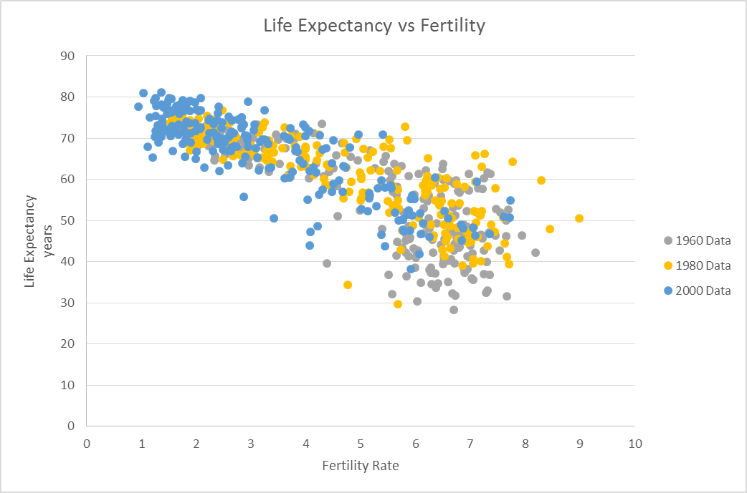
Scatter Plot Example

 | Given the World Health Organization, in the following 2 tabs, create a scatter plot that demonstrates the relationship between Fertility & Life Expectancy globally.
 | Look at three different years: 1960, 1980 & 2000. What do you think can be concluded, if anything given this data?

 | It should look something like this:

Answers
Life Expectancy vs Fertility
 | 1960 Data |  | 1980 Data |  | 2000 Data
4.82 | 65.569365854 | 2.392 | 72.220146341 | 1.874 | 73.720609756
7.671 | 31.58004878 | 7.669 | 41.233658537 | 7.733 | 54.848560976
7.316 | 32.984829268 | 7.2 | 40.159243902 | 6.844 | 45.204780488
6.186 | 62.254365854 | 3.678 | 70.23597561 | 2.383 | 74.272073171
6.934797753 | 46.762694849 | 6.2955534274 | 58.488319462 | 3.8169681813 | 67.669866449
6.928 | 52.243219512 | 5.423 | 67.983195122 | 2.644 | 74.405682927
3.109 | 65.215536585 | 3.325 | 69.514487805 | 2.477 | 73.745658537
4.55 | 65.863463415 | 2.385 | 70.684536585 | 1.688 | 71.276536585
4.425 | 61.782731707 | 2.115 | 68.59197561 | 2.316 | 73.397292683
3.453 | 70.817073171 | 1.891 | 74.333658537 | 1.756 | 79.234146341
2.69 | 68.585609756 | 1.65 | 72.463414634 | 1.36 | 78.126829268
5.571 | 60.836243902 | 3.286 | 64.681317073 | 2 | 66.758243902
6.953 | 41.23604878 | 7.45 | 47.291658537 | 7.057 | 48.20802439
2.54 | 69.70195122 | 1.68 | 73.207073171 | 1.67 | 77.72195122
6.282 | 37.278268293 | 7.025 | 47.234585366 | 5.975 | 55.188243902
6.291 | 34.477902439 | 7.127 | 45.997560976 | 6.592 | 50.482756098
6.725 | 47.024560976 | 6.356 | 54.868926829 | 3.12 | 65.319731707
2.31 | 69.247560976 | 2.05 | 71.157560976 | 1.26 | 71.663414634
7.09 | 52.089365854 | 4.917 | 69.778658537 | 2.765 | 74.589243902
4.495 | 62.72904878 | 2.989 | 68.458609756 | 2.071 | 72.254292683
4.052 | 60.276219512 | 2.092 | 70.23295122 | 1.381 | 74.669170732
2.67 | 67.708097561 | 2.03 | 69.80202439 | 1.31 | 68.912195122
6.5 | 59.961365854 | 5.849 | 69.566365854 | 3.594 | 70.53904878
 |  |  | 72.304634146 | 1.74 | 77.885365854
6.696 | 42.668121951 | 5.521 | 51.968439024 | 4.14 | 62.954609756
6.21 | 54.692146341 | 4.073 | 62.70604878 | 2.364 | 70.257390244
4.333 | 60.766609756 | 2.004 | 68.225878049 | 1.768 | 73.019487805
6.487 | 62.457560976 | 4.246 | 70.871902439 | 2.401 | 76.03095122
6.67 | 32.359365854 | 6.553 | 44.961707317 | 3.608 | 60.290804878
6.615 | 50.536243902 | 6.217 | 60.709829268 | 3.413 | 50.489634146
5.84 | 36.482634146 | 5.954 | 48.711097561 | 5.446 | 43.692317073
3.811 | 71.133170732 | 1.74 | 75.07804878 | 1.49 | 79.236585366
2.4989475992 | 67.82376209 | 2.1976770722 | 69.890329906 | 1.3178421905 | 72.719690352
2.44 | 71.313414634 | 1.55 | 75.459268293 | 1.5 | 79.680487805
2.421 | 70.639780488 | 1.454 | 73.34495122 | 1.402 | 77.524609756
5.582 | 57.021536585 | 2.675 | 69.055512195 | 2.087 | 76.758560976
5.758 | 43.465804878 | 2.71 | 67.023609756 | 1.51 | 72.140731707
7.351 | 36.872414634 | 7.602 | 50.709073171 | 5.375 | 46.453902439
5.647 | 41.523756098 | 6.609 | 51.20702439 | 5.621 | 51.935878049
5.88 | 48.581634146 | 6.178 | 56.139219512 | 5.134 | 52.301926829
6.807 | 56.716756098 | 3.993 | 65.478170732 | 2.64 | 70.987219512
6.792 | 43.44195122 | 7.129 | 51.955170732 | 5.315 | 57.879439024
6.885 | 49.001365854 | 6.375 | 60.220829268 | 3.701 | 69.591243902
7.311 | 61.606365854 | 3.618 | 72.532878049 | 2.414 | 77.734487805
5.509248077 | 61.993975071 | 3.5753208243 | 67.653777267 | 2.3890492895 | 69.336347678
4.182 | 63.904658537 | 1.892 | 73.831756098 | 1.626 | 76.66895122
...

